Clinical Mentor Teacher
Clinical Teacher Dispositions Assessed by Mentor Teacher

Form Instance: | Teacher Intern Mentor Semester 1,Teacher Intern Mentor Semester 2
Sent Term: | 202280 - Fall 2022,202320 - Spring 2023

Interpersonal Skills
Interpersonal Skills | # Always | % Always | # Most of the time | % Most of the time | # Rarely | % Rarely | # Never | % Never | # N/A | % N/A | # No Response | Total Valid Responses | Mean | Median | Mode | Standard Deviation
The candidate exhibits professional judgement and tact. | 42 | 72.41% | 16 | 27.59% | 0 | 0% | 0 | 0% | 0 | 0% | 0 | 58 | 2.72 | 3.00 | 3.00 | 0.45
The candidate demonstrates an appreciation of diverse perspectives and ideas. | 51 | 87.93% | 7 | 12.07% | 0 | 0% | 0 | 0% | 0 | 0% | 0 | 58 | 2.88 | 3.00 | 3.00 | 0.33
The candidate demonstrates the ability to work cooperatively with others. | 52 | 89.66% | 5 | 8.62% | 1 | 1.72% | 0 | 0% | 0 | 0% | 0 | 58 | 2.88 | 3.00 | 3.00 | 0.37
The candidate accepts constructive criticism. | 51 | 87.93% | 7 | 12.07% | 0 | 0% | 0 | 0% | 0 | 0% | 0 | 58 | 2.88 | 3.00 | 3.00 | 0.33
Total/Percentage | 196 | 84.48% | 35 | 15.09% | 1 | 0.43% | 0 | 0% | 0 | 0% | 0 | 232

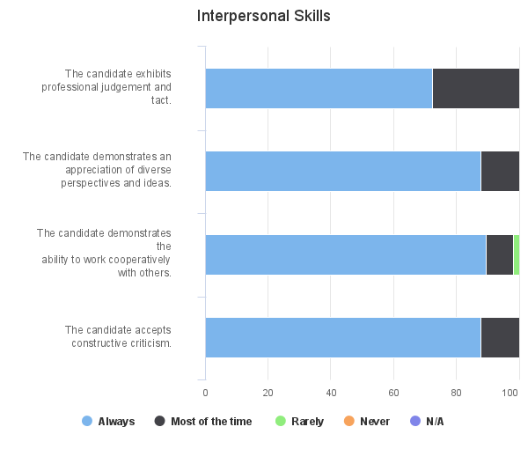

Personal Characteristics
Personal Characteristics | # Always | % Always | # Most of the time | % Most of the time | # Rarely | % Rarely | # Never | % Never | # N/A | % N/A | # No Response | Total Valid Responses | Mean | Median | Mode | Standard Deviation
The candidate exhibits an appropriate appearance in professional settings. | 47 | 81.03% | 11 | 18.97% | 0 | 0% | 0 | 0% | 0 | 0% | 0 | 58 | 2.81 | 3.00 | 3.00 | 0.39
The candidate exhibits self-control. | 51 | 87.93% | 7 | 12.07% | 0 | 0% | 0 | 0% | 0 | 0% | 0 | 58 | 2.88 | 3.00 | 3.00 | 0.33
The candidate exhibits a positive attitude. | 47 | 81.03% | 11 | 18.97% | 0 | 0% | 0 | 0% | 0 | 0% | 0 | 58 | 2.81 | 3.00 | 3.00 | 0.39
The candidate demonstrates conscientiousness to assigned work. | 47 | 82.46% | 9 | 15.79% | 1 | 1.75% | 0 | 0% | 0 | 0% | 1 | 57 | 2.81 | 3.00 | 3.00 | 0.44
The candidate demonstrates flexibility. | 47 | 81.03% | 11 | 18.97% | 0 | 0% | 0 | 0% | 0 | 0% | 0 | 58 | 2.81 | 3.00 | 3.00 | 0.39
The candidate displays initiative. | 43 | 74.14% | 12 | 20.69% | 3 | 5.17% | 0 | 0% | 0 | 0% | 0 | 58 | 2.69 | 3.00 | 3.00 | 0.56
The candidate accepts responsibility and works independently. | 50 | 86.21% | 7 | 12.07% | 1 | 1.72% | 0 | 0% | 0 | 0% | 0 | 58 | 2.84 | 3.00 | 3.00 | 0.41
The candidate demonstrates punctuality and dependability. | 53 | 91.38% | 3 | 5.17% | 2 | 3.45% | 0 | 0% | 0 | 0% | 0 | 58 | 2.88 | 3.00 | 3.00 | 0.42
The candidate follows instructions. | 52 | 89.66% | 6 | 10.34% | 0 | 0% | 0 | 0% | 0 | 0% | 0 | 58 | 2.90 | 3.00 | 3.00 | 0.30
The candidate demonstrates attention to detail and possess organizational skills. | 44 | 75.86% | 12 | 20.69% | 2 | 3.45% | 0 | 0% | 0 | 0% | 0 | 58 | 2.72 | 3.00 | 3.00 | 0.52
Total/Percentage | 481 | 83.07% | 89 | 15.37% | 9 | 1.55% | 0 | 0% | 0 | 0% | 1 | 579

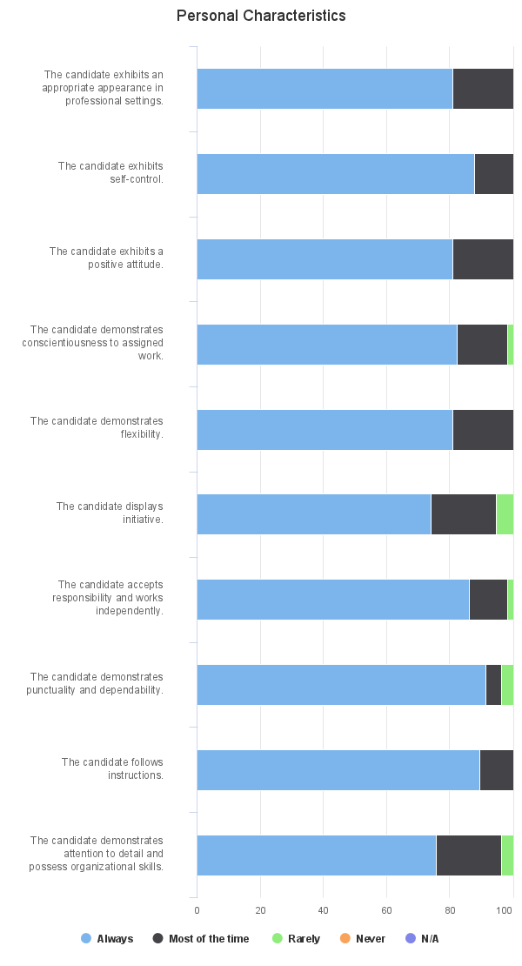

Communication
Communication | # Always | % Always | # Most of the time | % Most of the time | # Rarely | % Rarely | # Never | % Never | # N/A | % N/A | # No Response | Total Valid Responses | Mean | Median | Mode | Standard Deviation
The candidate expresses ideas clearly in writing. | 46 | 79.31% | 11 | 18.97% | 0 | 0% | 0 | 0% | 1 | 1.72% | 0 | 58 | 2.81 | 3.00 | 3.00 | 0.39
The candidate expresses ideas clearly orally. | 50 | 86.21% | 8 | 13.79% | 0 | 0% | 0 | 0% | 0 | 0% | 0 | 58 | 2.86 | 3.00 | 3.00 | 0.34
The candidate demonstrates professional electronic communication skills. (e.g. social media, email, text messaging) | 49 | 85.96% | 6 | 10.53% | 1 | 1.75% | 0 | 0% | 1 | 1.75% | 1 | 57 | 2.86 | 3.00 | 3.00 | 0.40
Total/Percentage | 145 | 83.82% | 25 | 14.45% | 1 | 0.58% | 0 | 0% | 2 | 1.16% | 1 | 173

Ethics
Ethics | # Always | % Always | # Most of the time | % Most of the time | # Rarely | % Rarely | # Never | % Never | # N/A | % N/A | # No Response | Total Valid Responses | Mean | Median | Mode | Standard Deviation
The candidates demonstrates the ethical boundaries and decision-making required of student/teacher relationships. | 56 | 96.55% | 2 | 3.45% | 0 | 0% | 0 | 0% | 0 | 0% | 0 | 58 | 2.97 | 3.00 | 3.00 | 0.18
The candidate demonstrates the ethical decision-making required of a professional educator. | 55 | 94.83% | 3 | 5.17% | 0 | 0% | 0 | 0% | 0 | 0% | 0 | 58 | 2.95 | 3.00 | 3.00 | 0.22
Total/Percentage | 111 | 95.69% | 5 | 4.31% | 0 | 0% | 0 | 0% | 0 | 0% | 0 | 116

Do you have any concerns about the candidate continuing in the program?
Response | Number of Valid Responses | Percent | 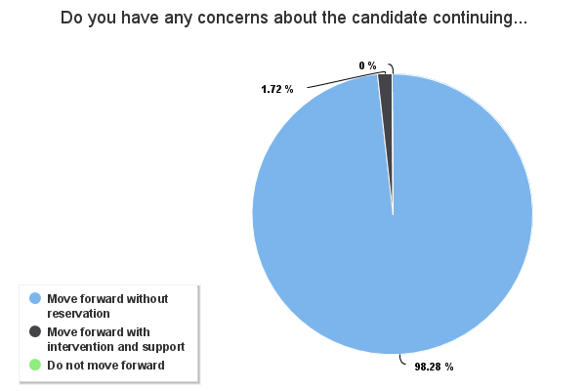
Move forward without reservation | 57 | 98.28%
Move forward with intervention and support | 1 | 1.72%
Do not move forward | 0 | 0%

Clinical Faculty Univ Supe
Clinical Teacher Dispositions Assessed by Faculty University Supervisor

Form Instance: | University Supervisor
Sent Term: | 202280 - Fall 2022,202320 - Spring 2023

Interpersonal Skills
Interpersonal Skills | # Always | % Always | # Most of the time | % Most of the time | # Rarely | % Rarely | # Never | % Never | # N/A | % N/A | # No Response | Total Valid Responses | Mean | Median | Mode | Standard Deviation
The candidate exhibits professional judgement and tact. | 281 | 88.09% | 35 | 10.97% | 3 | 0.94% | 0 | 0% | 0 | 0% | 0 | 319 | 2.87 | 3.00 | 3.00 | 0.36
The candidate demonstrates an appreciation of diverse perspectives and ideas. | 302 | 94.67% | 17 | 5.33% | 0 | 0% | 0 | 0% | 0 | 0% | 0 | 319 | 2.95 | 3.00 | 3.00 | 0.22
The candidate demonstrates the ability to work cooperatively with others. | 300 | 94.04% | 18 | 5.64% | 1 | 0.31% | 0 | 0% | 0 | 0% | 0 | 319 | 2.94 | 3.00 | 3.00 | 0.26
The candidate accepts constructive criticism. | 301 | 94.65% | 15 | 4.72% | 2 | 0.63% | 0 | 0% | 0 | 0% | 1 | 318 | 2.94 | 3.00 | 3.00 | 0.26
Total/Percentage | 1184 | 92.86% | 85 | 6.67% | 6 | 0.47% | 0 | 0% | 0 | 0% | 1 | 1275

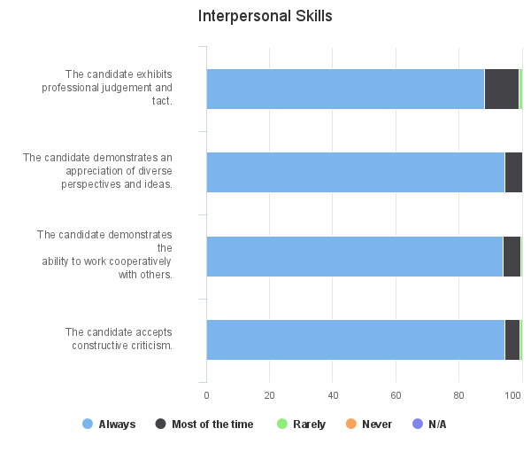

Personal Characteristics
Personal Characteristics | # Always | % Always | # Most of the time | % Most of the time | # Rarely | % Rarely | # Never | % Never | # N/A | % N/A | # No Response | Total Valid Responses | Mean | Median | Mode | Standard Deviation
The candidate exhibits an appropriate appearance in professional settings. | 298 | 93.42% | 21 | 6.58% | 0 | 0% | 0 | 0% | 0 | 0% | 0 | 319 | 2.93 | 3.00 | 3.00 | 0.25
The candidate exhibits self-control. | 299 | 93.73% | 19 | 5.96% | 0 | 0% | 0 | 0% | 1 | 0.31% | 0 | 319 | 2.94 | 3.00 | 3.00 | 0.24
The candidate exhibits a positive attitude. | 295 | 92.48% | 23 | 7.21% | 1 | 0.31% | 0 | 0% | 0 | 0% | 0 | 319 | 2.92 | 3.00 | 3.00 | 0.28
The candidate demonstrates conscientiousness to assigned work. | 277 | 86.83% | 40 | 12.54% | 2 | 0.63% | 0 | 0% | 0 | 0% | 0 | 319 | 2.86 | 3.00 | 3.00 | 0.36
The candidate demonstrates flexibility. | 288 | 90.28% | 30 | 9.4% | 1 | 0.31% | 0 | 0% | 0 | 0% | 0 | 319 | 2.90 | 3.00 | 3.00 | 0.31
The candidate displays initiative. | 274 | 86.16% | 41 | 12.89% | 3 | 0.94% | 0 | 0% | 0 | 0% | 1 | 318 | 2.85 | 3.00 | 3.00 | 0.38
The candidate accepts responsibility and works independently. | 291 | 91.22% | 26 | 8.15% | 2 | 0.63% | 0 | 0% | 0 | 0% | 0 | 319 | 2.91 | 3.00 | 3.00 | 0.31
The candidate demonstrates punctuality and dependability. | 276 | 86.52% | 41 | 12.85% | 2 | 0.63% | 0 | 0% | 0 | 0% | 0 | 319 | 2.86 | 3.00 | 3.00 | 0.37
The candidate follows instructions. | 290 | 90.91% | 26 | 8.15% | 3 | 0.94% | 0 | 0% | 0 | 0% | 0 | 319 | 2.90 | 3.00 | 3.00 | 0.33
The candidate demonstrates attention to detail and possess organizational skills. | 273 | 85.58% | 45 | 14.11% | 1 | 0.31% | 0 | 0% | 0 | 0% | 0 | 319 | 2.85 | 3.00 | 3.00 | 0.36
Total/Percentage | 2861 | 89.71% | 312 | 9.78% | 15 | 0.47% | 0 | 0% | 1 | 0.03% | 1 | 3189

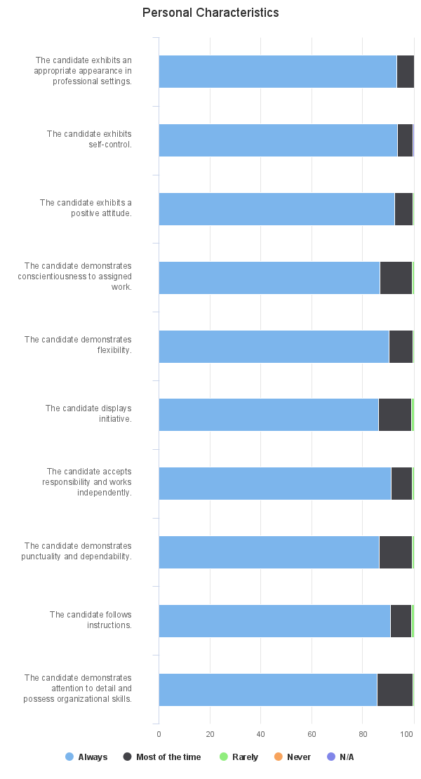

Communication
Communication | # Always | % Always | # Most of the time | % Most of the time | # Rarely | % Rarely | # Never | % Never | # N/A | % N/A | # No Response | Total Valid Responses | Mean | Median | Mode | Standard Deviation
The candidate expresses ideas clearly in writing. | 270 | 84.64% | 49 | 15.36% | 0 | 0% | 0 | 0% | 0 | 0% | 0 | 319 | 2.85 | 3.00 | 3.00 | 0.36
The candidate expresses ideas clearly orally. | 268 | 84.01% | 50 | 15.67% | 1 | 0.31% | 0 | 0% | 0 | 0% | 0 | 319 | 2.84 | 3.00 | 3.00 | 0.38
The candidate demonstrates professional electronic communication skills. (e.g. social media, email, text messaging) | 299 | 93.73% | 18 | 5.64% | 1 | 0.31% | 0 | 0% | 1 | 0.31% | 0 | 319 | 2.94 | 3.00 | 3.00 | 0.26
Total/Percentage | 837 | 87.46% | 117 | 12.23% | 2 | 0.21% | 0 | 0% | 1 | 0.1% | 0 | 957

Ethics
Ethics | # Always | % Always | # Most of the time | % Most of the time | # Rarely | % Rarely | # Never | % Never | # N/A | % N/A | # No Response | Total Valid Responses | Mean | Median | Mode | Standard Deviation
The candidates demonstrates the ethical boundaries and decision-making required of student/teacher relationships. | 308 | 96.55% | 11 | 3.45% | 0 | 0% | 0 | 0% | 0 | 0% | 0 | 319 | 2.97 | 3.00 | 3.00 | 0.18
The candidate demonstrates the ethical decision-making required of a professional educator. | 301 | 94.36% | 16 | 5.02% | 2 | 0.63% | 0 | 0% | 0 | 0% | 0 | 319 | 2.94 | 3.00 | 3.00 | 0.27
Total/Percentage | 609 | 95.45% | 27 | 4.23% | 2 | 0.31% | 0 | 0% | 0 | 0% | 0 | 638

Do you have any concerns about the candidate continuing in the program?
Response | Number of Valid Responses | Percent | 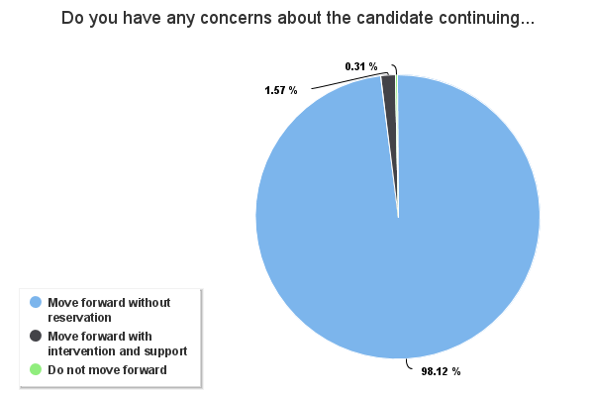
Move forward without reservation | 313 | 98.12%
Move forward with intervention and support | 5 | 1.57%
Do not move forward | 1 | 0.31%

Course-Based Short Dispositions
Teacher Candidate Course-Based Dispositions Assessment Short Form

Sent Term: | 202280 - Fall 2022,202320 - Spring 2023,202340 - Summer 2023

Please assess.
Please assess. | # Most of the Time | % Most of the Time | # Sometimes | % Sometimes | # Rarely | % Rarely | # N/A | % N/A | # No Response | Total Valid Responses | Mean | Median | Mode | Standard Deviation
1. Does the candidate exhibit strong interpersonal skills? Examples: ▪ professional judgement and tact ▪ appreciation of diverse perspectives and ideas ▪ the ability to work cooperatively with others | 3145 | 87.95% | 251 | 7.02% | 60 | 1.68% | 118 | 3.3% | 1 | 3576 | 1.89 | 2.00 | 2.00 | 0.36
2. Does the candidate exhibit appropriate personal characteristics? Examples: ▪ appropriate appearance in professional settings ▪ self-control ▪ positive attitude ▪ flexibility ▪ initiative ▪ responsibility and independent work ▪ punctuality and dependability ▪ following instructions | 3034 | 84.84% | 424 | 11.86% | 94 | 2.63% | 22 | 0.62% | 1 | 3576 | 1.83 | 2.00 | 2.00 | 0.44
3. Does the candidate exhibit appropriate communication skills? Examples: ▪ expression of ideas clearly in writing ▪ express of ideas clearly orally ▪ professional electronic communications | 3184 | 89.04% | 292 | 8.17% | 75 | 2.1% | 23 | 0.64% | 1 | 3576 | 1.88 | 2.00 | 2.00 | 0.39
4. Does the candidate exhibit appropriate ethics? Examples: ▪ ethical boundaries and appropriate professional relationships ▪ ethical decision-making | 3266 | 91.33% | 132 | 3.69% | 49 | 1.37% | 127 | 3.55% | 1 | 3576 | 1.93 | 2.00 | 2.00 | 0.30
Total/Percentage | 12629 | 88.29% | 1099 | 7.68% | 278 | 1.94% | 290 | 2.03% | 4 | 14304

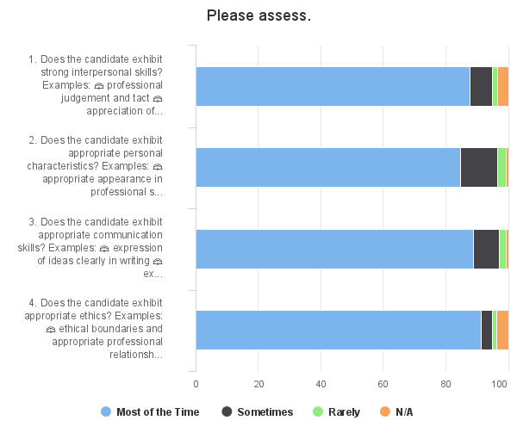

5. Do you have any concerns about the candidate continuing in the program?
Response | Number of Valid Responses | Percent | 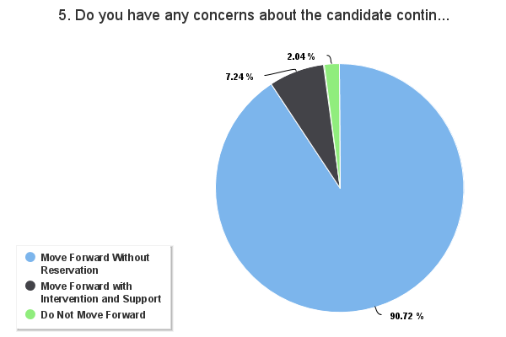
Move Forward Without Reservation | 3245 | 90.72%
Move Forward with Intervention and Support | 259 | 7.24%
Do Not Move Forward | 73 | 2.04%

Course-Based Long Dispositions
Teacher Candidate Course-Based Dispositions Assessment Long Form

Sent Term: | 202280 - Fall 2022,202320 - Spring 2023,202340 - Summer 2023

Interpersonal Skills
Interpersonal Skills | # Always | % Always | # Most of the time | % Most of the time | # Rarely | % Rarely | # Never | % Never | # N/A | % N/A | # No Response | Total Valid Responses | Mean | Median | Mode | Standard Deviation
The candidate exhibits professional judgement and tact. | 229 | 72.93% | 74 | 23.57% | 9 | 2.87% | 0 | 0% | 2 | 0.64% | 0 | 314 | 2.71 | 3.00 | 3.00 | 0.52
The candidate demonstrates an appreciation of diverse perspectives and ideas. | 229 | 72.93% | 77 | 24.52% | 6 | 1.91% | 0 | 0% | 2 | 0.64% | 0 | 314 | 2.71 | 3.00 | 3.00 | 0.49
The candidate demonstrates the ability to work cooperatively with others. | 237 | 75.48% | 69 | 21.97% | 6 | 1.91% | 0 | 0% | 2 | 0.64% | 0 | 314 | 2.74 | 3.00 | 3.00 | 0.48
The candidate accepts constructive criticism. | 246 | 78.34% | 60 | 19.11% | 6 | 1.91% | 0 | 0% | 2 | 0.64% | 0 | 314 | 2.77 | 3.00 | 3.00 | 0.46
Total/Percentage | 941 | 74.92% | 280 | 22.29% | 27 | 2.15% | 0 | 0% | 8 | 0.64% | 0 | 1256

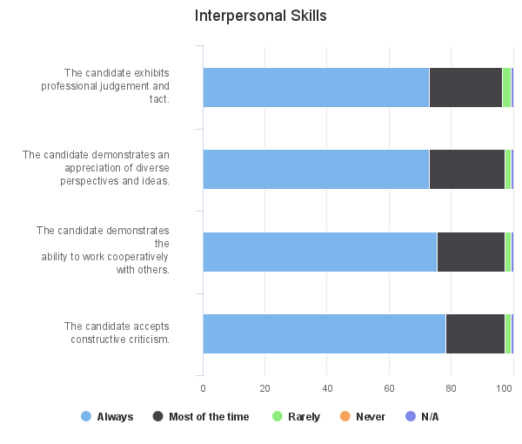

Personal Characteristics
Personal Characteristics | # Always | % Always | # Most of the time | % Most of the time | # Rarely | % Rarely | # Never | % Never | # N/A | % N/A | # No Response | Total Valid Responses | Mean | Median | Mode | Standard Deviation
The candidate exhibits an appropriate appearance in professional settings. | 267 | 85.03% | 44 | 14.01% | 1 | 0.32% | 0 | 0% | 2 | 0.64% | 0 | 314 | 2.85 | 3.00 | 3.00 | 0.36
The candidate exhibits self-control. | 253 | 80.57% | 57 | 18.15% | 2 | 0.64% | 0 | 0% | 2 | 0.64% | 0 | 314 | 2.80 | 3.00 | 3.00 | 0.41
The candidate exhibits a positive attitude. | 252 | 80.25% | 54 | 17.2% | 6 | 1.91% | 0 | 0% | 2 | 0.64% | 0 | 314 | 2.79 | 3.00 | 3.00 | 0.45
The candidate demonstrates conscientiousness to assigned work. | 221 | 70.38% | 69 | 21.97% | 20 | 6.37% | 2 | 0.64% | 2 | 0.64% | 0 | 314 | 2.63 | 3.00 | 3.00 | 0.63
The candidate demonstrates flexibility. | 247 | 78.66% | 63 | 20.06% | 2 | 0.64% | 0 | 0% | 2 | 0.64% | 0 | 314 | 2.79 | 3.00 | 3.00 | 0.43
The candidate displays initiative. | 222 | 70.7% | 59 | 18.79% | 31 | 9.87% | 0 | 0% | 2 | 0.64% | 0 | 314 | 2.61 | 3.00 | 3.00 | 0.66
The candidate accepts responsibility and works independently. | 241 | 76.75% | 58 | 18.47% | 13 | 4.14% | 0 | 0% | 2 | 0.64% | 0 | 314 | 2.73 | 3.00 | 3.00 | 0.53
The candidate demonstrates punctuality and dependability. | 224 | 71.34% | 64 | 20.38% | 23 | 7.32% | 1 | 0.32% | 2 | 0.64% | 0 | 314 | 2.64 | 3.00 | 3.00 | 0.63
The candidate follows instructions. | 238 | 75.8% | 60 | 19.11% | 14 | 4.46% | 0 | 0% | 2 | 0.64% | 0 | 314 | 2.72 | 3.00 | 3.00 | 0.54
The candidate demonstrates attention to detail and possess organizational skills. | 227 | 72.29% | 64 | 20.38% | 21 | 6.69% | 0 | 0% | 2 | 0.64% | 0 | 314 | 2.66 | 3.00 | 3.00 | 0.60
Total/Percentage | 2392 | 76.18% | 592 | 18.85% | 133 | 4.24% | 3 | 0.1% | 20 | 0.64% | 0 | 3140

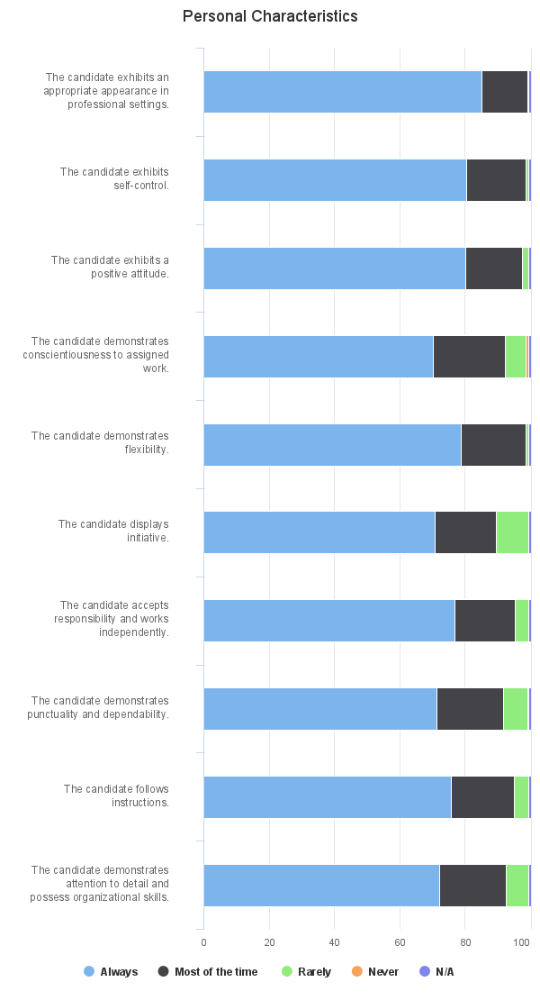

Communication
Communication | # Always | % Always | # Most of the time | % Most of the time | # Rarely | % Rarely | # Never | % Never | # N/A | % N/A | # No Response | Total Valid Responses | Mean | Median | Mode | Standard Deviation
The candidate expresses ideas clearly in writing. | 245 | 78.03% | 64 | 20.38% | 3 | 0.96% | 0 | 0% | 2 | 0.64% | 0 | 314 | 2.78 | 3.00 | 3.00 | 0.44
The candidate expresses ideas clearly orally. | 247 | 78.66% | 60 | 19.11% | 5 | 1.59% | 0 | 0% | 2 | 0.64% | 0 | 314 | 2.78 | 3.00 | 3.00 | 0.45
The candidate demonstrates professional electronic communication skills. (e.g. social media, email, text messaging) | 263 | 83.76% | 42 | 13.38% | 7 | 2.23% | 0 | 0% | 2 | 0.64% | 0 | 314 | 2.82 | 3.00 | 3.00 | 0.44
Total/Percentage | 755 | 80.15% | 166 | 17.62% | 15 | 1.59% | 0 | 0% | 6 | 0.64% | 0 | 942

Ethics
Ethics | # Always | % Always | # Most of the time | % Most of the time | # Rarely | % Rarely | # Never | % Never | # N/A | % N/A | # No Response | Total Valid Responses | Mean | Median | Mode | Standard Deviation
The candidates demonstrates the ethical boundaries and decision-making required of student/teacher relationships. | 293 | 93.31% | 18 | 5.73% | 1 | 0.32% | 0 | 0% | 2 | 0.64% | 0 | 314 | 2.94 | 3.00 | 3.00 | 0.26
The candidate demonstrates the ethical decision-making required of a professional educator. | 293 | 93.31% | 18 | 5.73% | 1 | 0.32% | 0 | 0% | 2 | 0.64% | 0 | 314 | 2.94 | 3.00 | 3.00 | 0.26
Total/Percentage | 586 | 93.31% | 36 | 5.73% | 2 | 0.32% | 0 | 0% | 4 | 0.64% | 0 | 628

