Ed Diag
Educational Diagnostician Dispositions

Sent Term: | 202280 - Fall 2022,202320 - Spring 2023,202340 - Summer 2023

Professional Behavior Choose at least one.
Response | Number of Valid Responses | Percent | 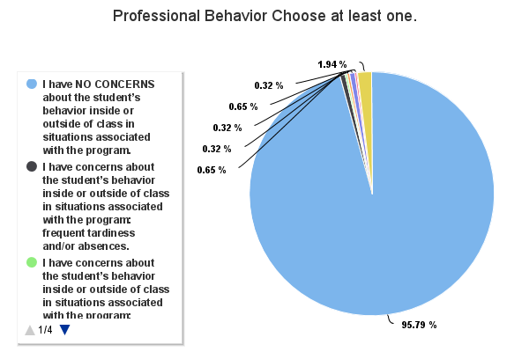
I have NO CONCERNS about the student’s behavior inside or outside of class in situations associated with the program. | 296 | 95.79%
I have concerns about the student’s behavior inside or outside of class in situations associated with the program: frequent tardiness and/or absences. | 2 | 0.65%
I have concerns about the student’s behavior inside or outside of class in situations associated with the program: texting and/or talking in class. | 1 | 0.32%
I have concerns about the student’s behavior inside or outside of class in situations associated with the program: unethical actions. | 1 | 0.32%
I have concerns about the student’s behavior inside or outside of class in situations associated with the program: lack of classroom engagement. | 2 | 0.65%
I have concerns about the student’s behavior inside or outside of class in situations associated with the program: disrespectful behavior towards faculty, supervisors, practice students and/or colleagues. | 1 | 0.32%
I have other (list below) concerns about the student’s behavior inside or outside of class in situations associated with the program. | 6 | 1.94%

Openness to Diversity: The student displays behaviors consistent with cultural social justice, advocacy and conflict resolution, and other culturally supportive behaviors
Openness to Diversity: The student displays behaviors consistent with cultural social justice, advocacy and conflict resolution, and other culturally supportive behaviors | # Rarely | % Rarely | # Some of the time | % Some of the time | # Most of the time | % Most of the time | # Nearly always | % Nearly always | # N/A | % N/A | # No Response | Total Valid Responses | Mean | Median | Mode | Standard Deviation
Openness to Diversity | 0 | 0% | 1 | 0.33% | 12 | 3.95% | 261 | 85.86% | 30 | 9.87% | 0 | 304 | 3.95 | 4.00 | 4.00 | 0.24
Total/Percentage | 0 | 0% | 1 | 0.33% | 12 | 3.95% | 261 | 85.86% | 30 | 9.87% | 0 | 304

Ethical Behavior: The student demonstrates the ability to apply and adhere to ethical and legal standards of the profession
Ethical Behavior: The student demonstrates the ability to apply and adhere to ethical and legal standards of the profession | # Rarely | % Rarely | # Some of the time | % Some of the time | # Most of the time | % Most of the time | # Nearly always | % Nearly always | # N/A | % N/A | # No Response | Total Valid Responses | Mean | Median | Mode | Standard Deviation
Ethical Behavior | 0 | 0% | 1 | 0.33% | 13 | 4.28% | 290 | 95.39% | 0 | 0% | 0 | 304 | 3.95 | 4.00 | 4.00 | 0.23
Total/Percentage | 0 | 0% | 1 | 0.33% | 13 | 4.28% | 290 | 95.39% | 0 | 0% | 0 | 304

Sch Lib - Short
School Librarian Dispositions - Short Form

Sent Term: | 202280 - Fall 2022,202320 - Spring 2023,202340 - Summer 2023

Please assess.
Please assess. | # Most of the Time | % Most of the Time | # Sometimes | % Sometimes | # Rarely | % Rarely | # N/A | % N/A | # No Response | Total Valid Responses | Mean | Median | Mode | Standard Deviation
1. Does the candidate exhibit strong interpersonal skills? Examples: ▪ professional judgement and tact ▪ appreciation of diverse perspectives and ideas ▪ the ability to work cooperatively with others | 187 | 95.41% | 7 | 3.57% | 2 | 1.02% | 0 | 0% | 0 | 196 | 1.94 | 2.00 | 2.00 | 0.27
2. Does the candidate exhibit appropriate personal characteristics? Examples: ▪ appropriate appearance in professional settings ▪ self-control ▪ positive attitude ▪ flexibility ▪ initiative ▪ responsibility and independent work ▪ punctuality and dependability ▪ following instructions | 189 | 96.43% | 6 | 3.06% | 1 | 0.51% | 0 | 0% | 0 | 196 | 1.96 | 2.00 | 2.00 | 0.22
3. Does the candidate exhibit appropriate communication skills? Examples: ▪ expression of ideas clearly in writing ▪ express of ideas clearly orally ▪ professional electronic communications | 188 | 95.92% | 7 | 3.57% | 1 | 0.51% | 0 | 0% | 0 | 196 | 1.95 | 2.00 | 2.00 | 0.23
4. Does the candidate exhibit appropriate ethics? Examples: ▪ ethical boundaries and appropriate professional relationships ▪ ethical decision-making | 193 | 98.47% | 2 | 1.02% | 1 | 0.51% | 0 | 0% | 0 | 196 | 1.98 | 2.00 | 2.00 | 0.17
Total/Percentage | 757 | 96.56% | 22 | 2.81% | 5 | 0.64% | 0 | 0% | 0 | 784

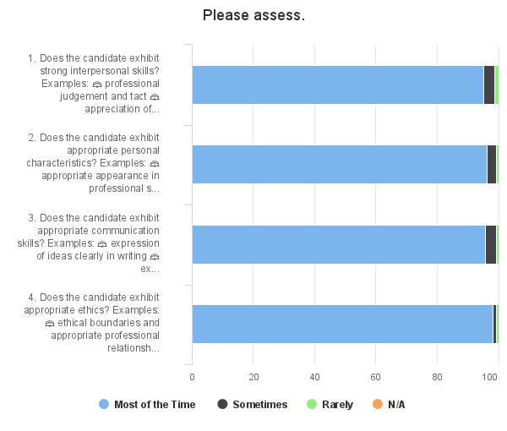

5. Do you have any concerns about the candidate continuing in the program?
Response | Number of Valid Responses | Percent | 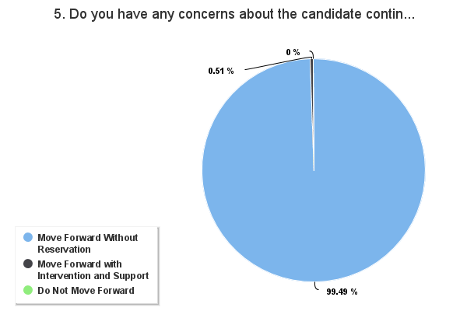
Move Forward Without Reservation | 195 | 99.49%
Move Forward with Intervention and Support | 1 | 0.51%
Do Not Move Forward | 0 | 0%

Sch Lib - Long
School Librarian Dispositions - Long Form

Sent Term: | 202280 - Fall 2022,202320 - Spring 2023

Interpersonal Skills
Interpersonal Skills | # Always | % Always | # Most of the time | % Most of the time | # Rarely | % Rarely | # Never | % Never | # N/A | % N/A | # No Response | Total Valid Responses | Mean | Median | Mode | Standard Deviation
The candidate exhibits professional judgement and tact. | 99 | 92.52% | 6 | 5.61% | 2 | 1.87% | 0 | 0% | 0 | 0% | 0 | 107 | 2.91 | 3.00 | 3.00 | 0.35
The candidate demonstrates an appreciation of diverse perspectives and ideas. | 98 | 91.59% | 9 | 8.41% | 0 | 0% | 0 | 0% | 0 | 0% | 0 | 107 | 2.92 | 3.00 | 3.00 | 0.28
The candidate demonstrates the ability to work cooperatively with others. | 99 | 92.52% | 6 | 5.61% | 2 | 1.87% | 0 | 0% | 0 | 0% | 0 | 107 | 2.91 | 3.00 | 3.00 | 0.35
The candidate accepts constructive criticism. | 99 | 92.52% | 7 | 6.54% | 1 | 0.93% | 0 | 0% | 0 | 0% | 0 | 107 | 2.92 | 3.00 | 3.00 | 0.31
Total/Percentage | 395 | 92.29% | 28 | 6.54% | 5 | 1.17% | 0 | 0% | 0 | 0% | 0 | 428

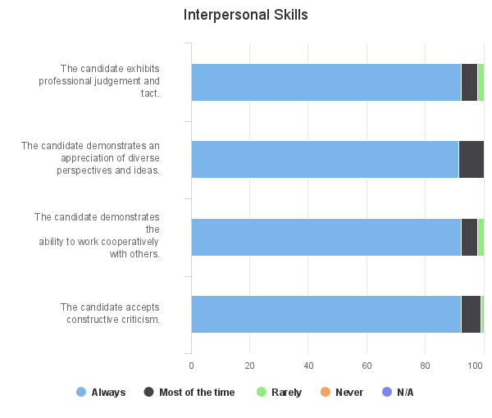

Personal Characteristics
Personal Characteristics | # Always | % Always | # Most of the time | % Most of the time | # Rarely | % Rarely | # Never | % Never | # N/A | % N/A | # No Response | Total Valid Responses | Mean | Median | Mode | Standard Deviation
The candidate exhibits an appropriate appearance in professional settings. | 101 | 94.39% | 6 | 5.61% | 0 | 0% | 0 | 0% | 0 | 0% | 0 | 107 | 2.94 | 3.00 | 3.00 | 0.23
The candidate exhibits self-control. | 102 | 95.33% | 3 | 2.8% | 2 | 1.87% | 0 | 0% | 0 | 0% | 0 | 107 | 2.93 | 3.00 | 3.00 | 0.31
The candidate exhibits a positive attitude. | 98 | 91.59% | 7 | 6.54% | 2 | 1.87% | 0 | 0% | 0 | 0% | 0 | 107 | 2.90 | 3.00 | 3.00 | 0.36
The candidate demonstrates conscientiousness to assigned work. | 99 | 93.4% | 4 | 3.77% | 3 | 2.83% | 0 | 0% | 0 | 0% | 1 | 106 | 2.91 | 3.00 | 3.00 | 0.38
The candidate demonstrates flexibility. | 99 | 92.52% | 7 | 6.54% | 1 | 0.93% | 0 | 0% | 0 | 0% | 0 | 107 | 2.92 | 3.00 | 3.00 | 0.31
The candidate displays initiative. | 91 | 85.05% | 14 | 13.08% | 2 | 1.87% | 0 | 0% | 0 | 0% | 0 | 107 | 2.83 | 3.00 | 3.00 | 0.42
The candidate accepts responsibility and works independently. | 101 | 94.39% | 4 | 3.74% | 2 | 1.87% | 0 | 0% | 0 | 0% | 0 | 107 | 2.93 | 3.00 | 3.00 | 0.33
The candidate demonstrates punctuality and dependability. | 96 | 89.72% | 9 | 8.41% | 1 | 0.93% | 1 | 0.93% | 0 | 0% | 0 | 107 | 2.87 | 3.00 | 3.00 | 0.43
The candidate follows instructions. | 98 | 91.59% | 7 | 6.54% | 2 | 1.87% | 0 | 0% | 0 | 0% | 0 | 107 | 2.90 | 3.00 | 3.00 | 0.36
The candidate demonstrates attention to detail and possess organizational skills. | 93 | 86.92% | 12 | 11.21% | 2 | 1.87% | 0 | 0% | 0 | 0% | 0 | 107 | 2.85 | 3.00 | 3.00 | 0.41
Total/Percentage | 978 | 91.49% | 73 | 6.83% | 17 | 1.59% | 1 | 0.09% | 0 | 0% | 1 | 1069

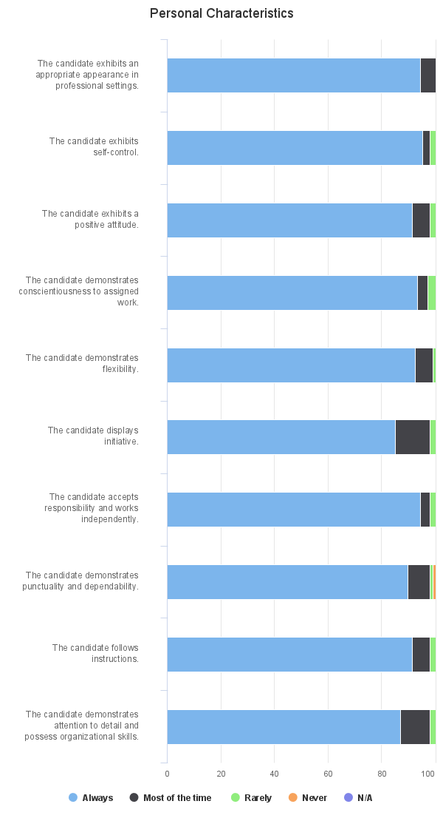

Communication
Communication | # Always | % Always | # Most of the time | % Most of the time | # Rarely | % Rarely | # Never | % Never | # N/A | % N/A | # No Response | Total Valid Responses | Mean | Median | Mode | Standard Deviation
The candidate expresses ideas clearly in writing. | 94 | 87.85% | 11 | 10.28% | 1 | 0.93% | 0 | 0% | 1 | 0.93% | 0 | 107 | 2.88 | 3.00 | 3.00 | 0.36
The candidate expresses ideas clearly orally. | 96 | 89.72% | 10 | 9.35% | 1 | 0.93% | 0 | 0% | 0 | 0% | 0 | 107 | 2.89 | 3.00 | 3.00 | 0.34
The candidate demonstrates professional electronic communication skills. (e.g. social media, email, text messaging) | 98 | 91.59% | 9 | 8.41% | 0 | 0% | 0 | 0% | 0 | 0% | 0 | 107 | 2.92 | 3.00 | 3.00 | 0.28
Total/Percentage | 288 | 89.72% | 30 | 9.35% | 2 | 0.62% | 0 | 0% | 1 | 0.31% | 0 | 321

Ethics
Ethics | # Always | % Always | # Most of the time | % Most of the time | # Rarely | % Rarely | # Never | % Never | # N/A | % N/A | # No Response | Total Valid Responses | Mean | Median | Mode | Standard Deviation
The candidates demonstrates the ethical boundaries and decision-making required of student/teacher relationships. | 104 | 97.2% | 2 | 1.87% | 1 | 0.93% | 0 | 0% | 0 | 0% | 0 | 107 | 2.96 | 3.00 | 3.00 | 0.23
The candidate demonstrates the ethical decision-making required of a professional educator. | 102 | 95.33% | 2 | 1.87% | 2 | 1.87% | 0 | 0% | 1 | 0.93% | 0 | 107 | 2.94 | 3.00 | 3.00 | 0.30
Total/Percentage | 206 | 96.26% | 4 | 1.87% | 3 | 1.4% | 0 | 0% | 1 | 0.47% | 0 | 214

Do you have any concerns about the candidate continuing in the program?
Response | Number of Valid Responses | Percent | 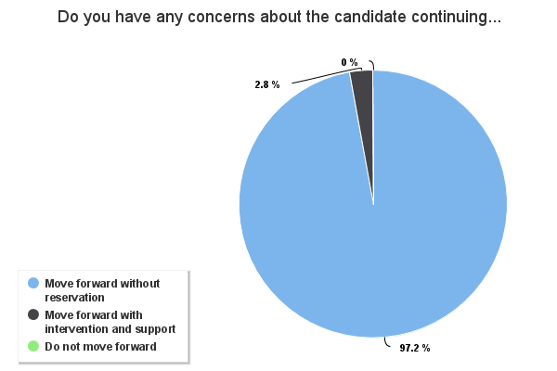
Move forward without reservation | 104 | 97.2%
Move forward with intervention and support | 3 | 2.8%
Do not move forward | 0 | 0%

Supt
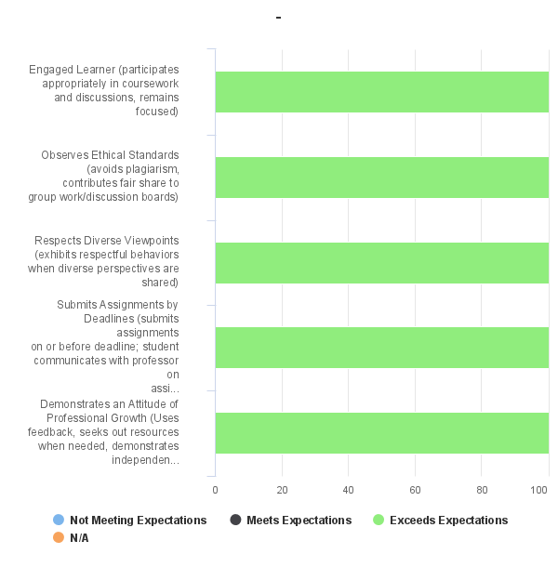
Superintendent Program Dispositions

Sent Term: | 202280 - Fall 2022,202340 - Summer 2023
-
- | # Not Meeting Expectations | % Not Meeting Expectations | # Meets Expectations | % Meets Expectations | # Exceeds Expectations | % Exceeds Expectations | # N/A | % N/A | # No Response | Total Valid Responses | Mean | Median | Mode | Standard Deviation
Engaged Learner (participates appropriately in coursework and discussions, remains focused) | 0 | 0% | 0 | 0% | 14 | 100% | 0 | 0% | 0 | 14 | 2.00 | 2.00 | 2.00 | 0.00
Observes Ethical Standards (avoids plagiarism, contributes fair share to group work/discussion boards) | 0 | 0% | 0 | 0% | 14 | 100% | 0 | 0% | 0 | 14 | 2.00 | 2.00 | 2.00 | 0.00
Respects Diverse Viewpoints (exhibits respectful behaviors when diverse perspectives are shared) | 0 | 0% | 0 | 0% | 14 | 100% | 0 | 0% | 0 | 14 | 2.00 | 2.00 | 2.00 | 0.00
Submits Assignments by Deadlines (submits assignments on or before deadline; student communicates with professor on assignment state, if needed) | 0 | 0% | 0 | 0% | 14 | 100% | 0 | 0% | 0 | 14 | 2.00 | 2.00 | 2.00 | 0.00
Demonstrates an Attitude of Professional Growth (Uses feedback, seeks out resources when needed, demonstrates independence by taking responsibility for learning needs) | 0 | 0% | 0 | 0% | 14 | 100% | 0 | 0% | 0 | 14 | 2.00 | 2.00 | 2.00 | 0.00
Total/Percentage | 0 | 0% | 0 | 0% | 70 | 100% | 0 | 0% | 0 | 70

Coun
Counselor Potential Scale

Sent Term: | 202280 - Fall 2022,202320 - Spring 2023,202340 - Summer 2023

Do you have any concerns about this candidate?
Response | Number of Valid Responses | Percent | 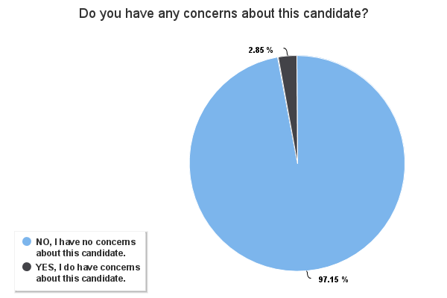
NO, I have no concerns about this candidate. | 1365 | 97.15%
YES, I do have concerns about this candidate. | 40 | 2.85%

